introduction
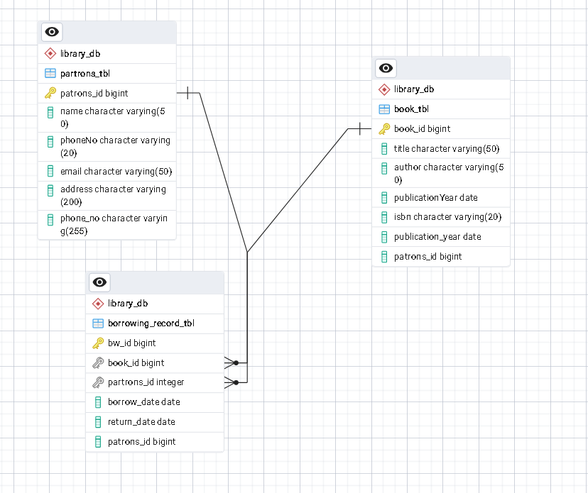
Project Description

Building a Library Management System API using Spring Boot. The system allow librarians
to manage books, patrons, and borrowing records.

Entities Class

● Book: Includes attributes like ID, title, author, publication year, ISBN, etc.
● Patron: Contains details like ID, name, contact information, etc.
● Borrowing Record: Tracks the association between books and patrons,
including borrowing and return dates.

API Endpoints

● Implement RESTful endpoints to handle the following operations:
● Book management endpoints:
● GET /api/books: Retrieve a list of all books.
● GET /api/books/{id}: Retrieve details of a specific book by ID.
● POST /api/books: Add a new book to the library.
● PUT /api/books/update: Update an existing book's information.
● DELETE /api/books/{id}: Remove a book from the library.
● Patron management endpoints:
● GET /api/patrons: Retrieve a list of all patrons.
● GET /api/patrons/{id}: Retrieve details of a specific patron by ID.
● POST /api/patrons: Add a new patron to the system.
● PUT /api/patrons/update: Update an existing patron's information.
● DELETE /api/patrons/{id}: Remove a patron from the system.
● Borrowing endpoints:
● POST /api/borrow/{bookId}/patron/{patronId}: Allow a patron to
borrow a book.
● PUT /api/return/{bookId}/patron/{patronId}: Record the return of a borrowed book by a patron.

Data Storage

● PostgreSQL

Validation and Error Handling:

● Implement input validation for API requests (e.g., validating required fields, data formats, etc.).
● Handle exceptions gracefully and return appropriate HTTP status codes and error messages.

Transaction Management

● Implement declarative transaction management using Spring's @Transactional annotation to ensure data integrity during critical operations.

Testing

● Write unit tests to validate the functionality of API endpoints.
● Using testing frameworks like JUnit, Mockito, SpringBootTest for testing.

ERD Diagram

execution
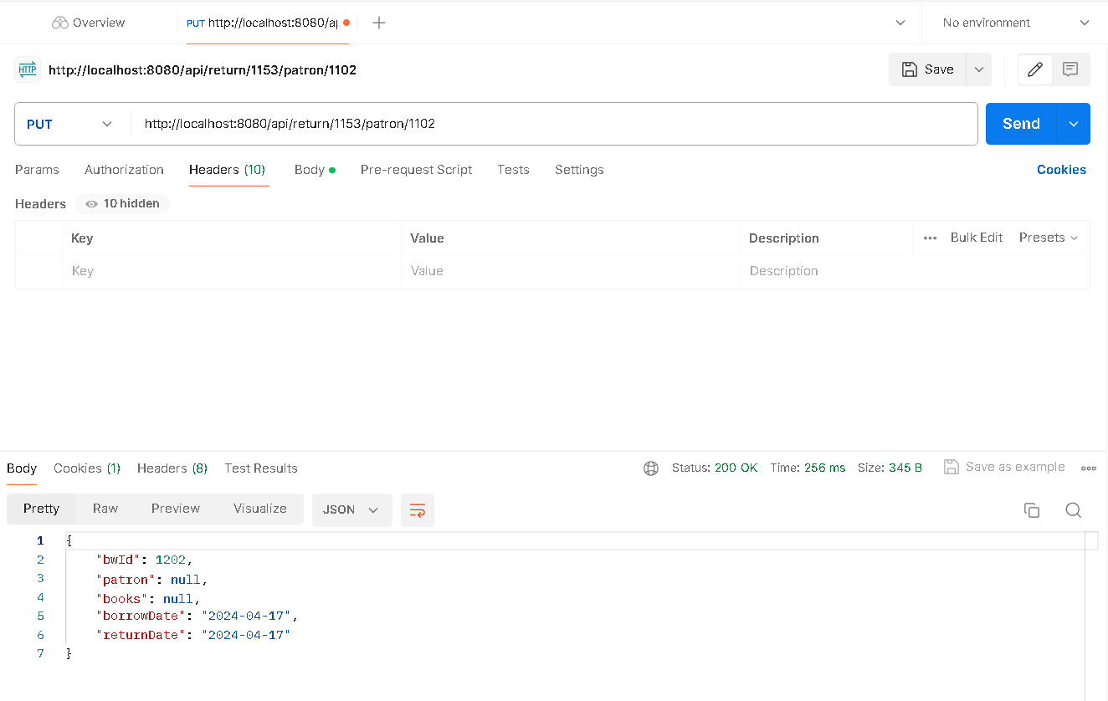
Add New Patrons

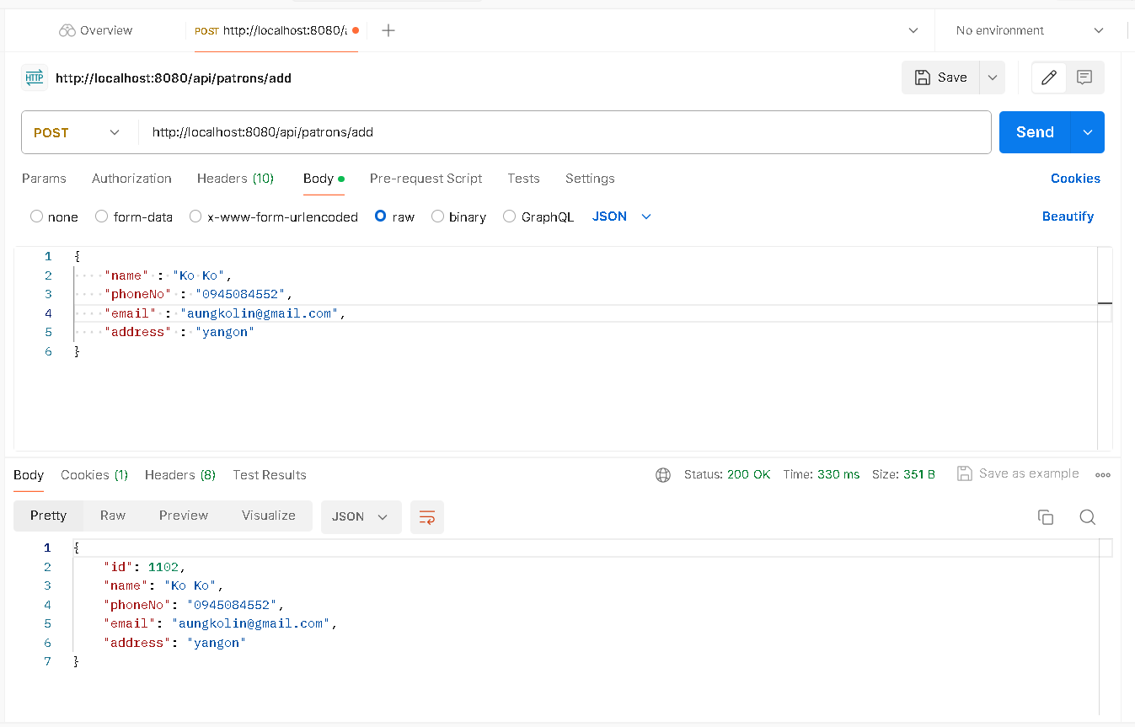

Select All Patrons

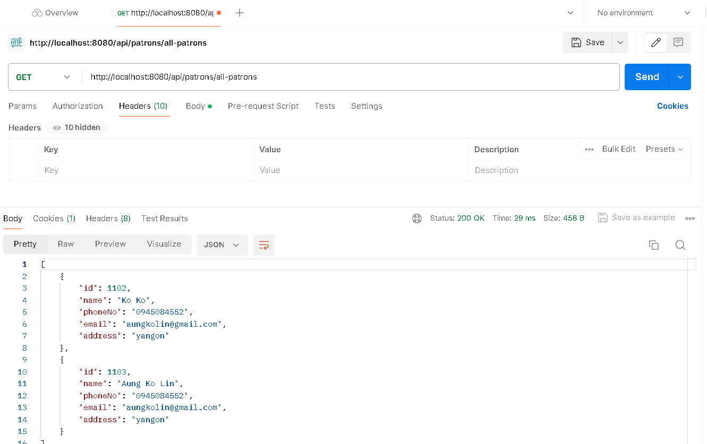

Select Patron By Id

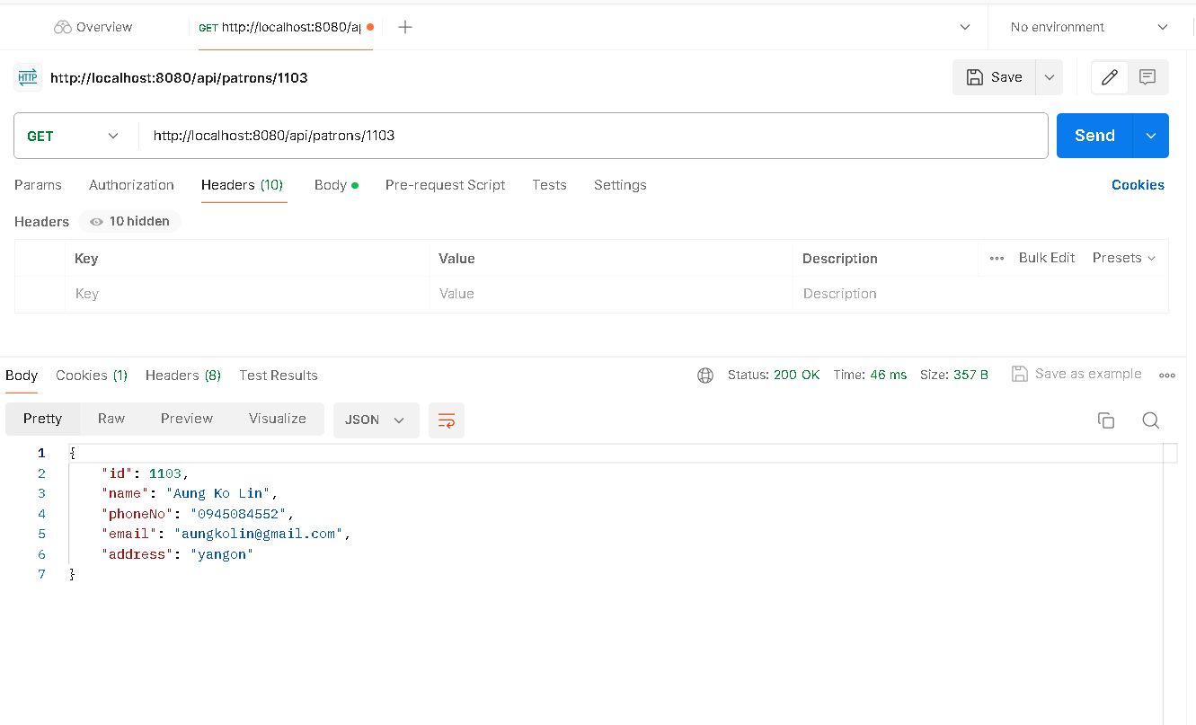

Update Patron

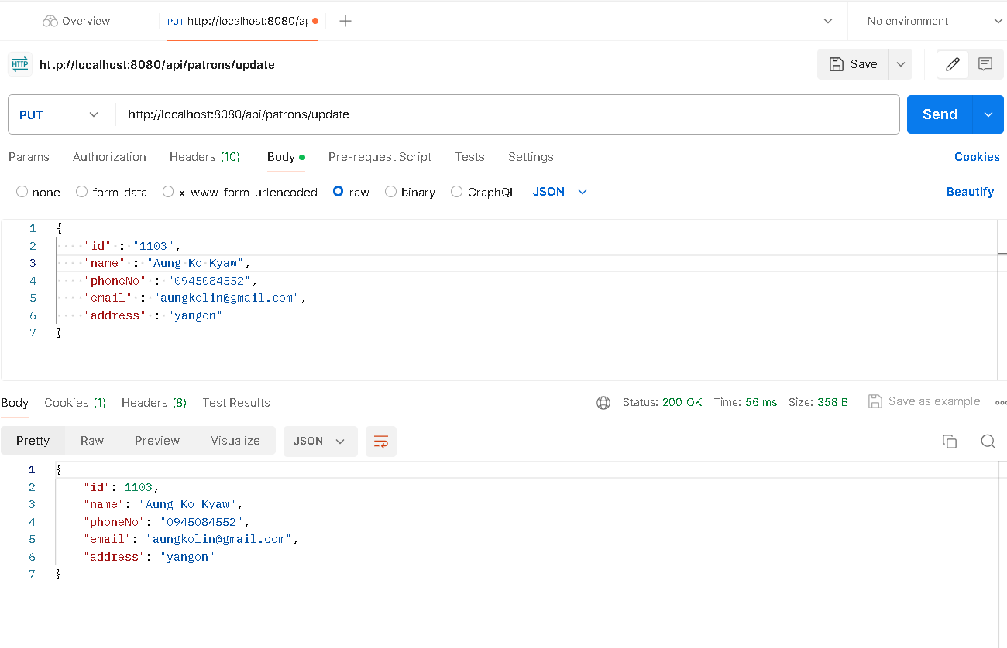

Delete Patron By Id

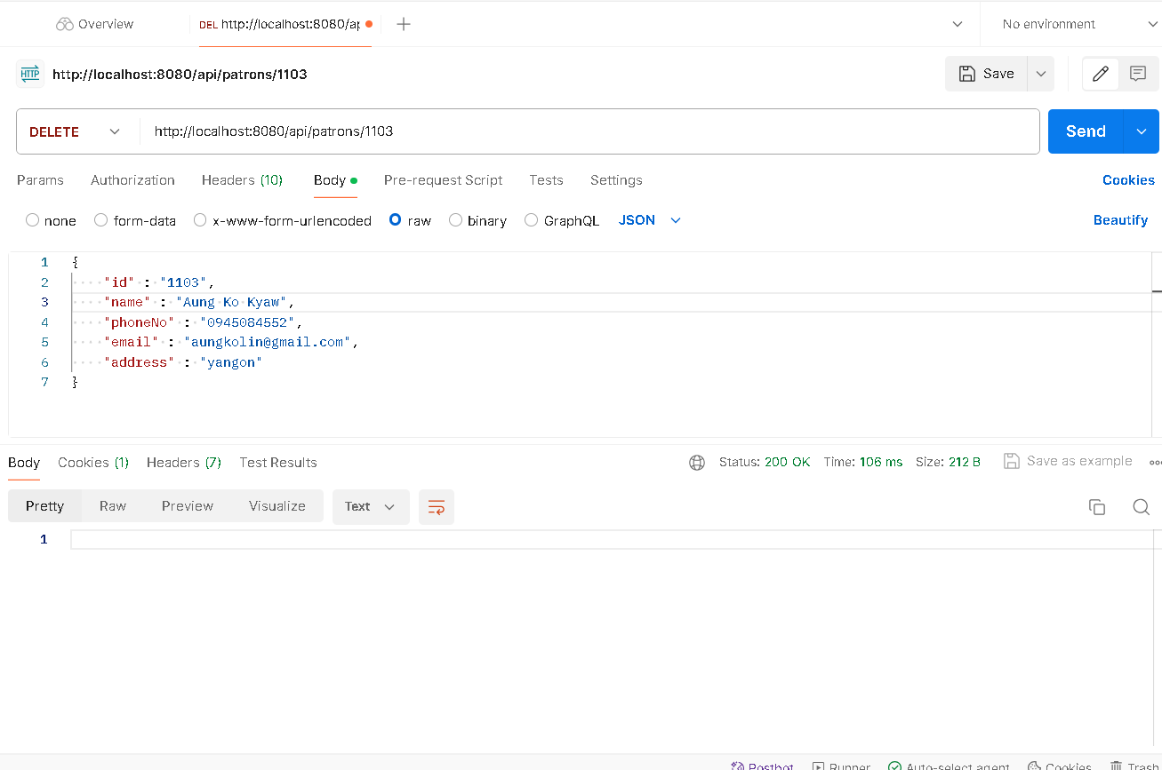

Add New Book

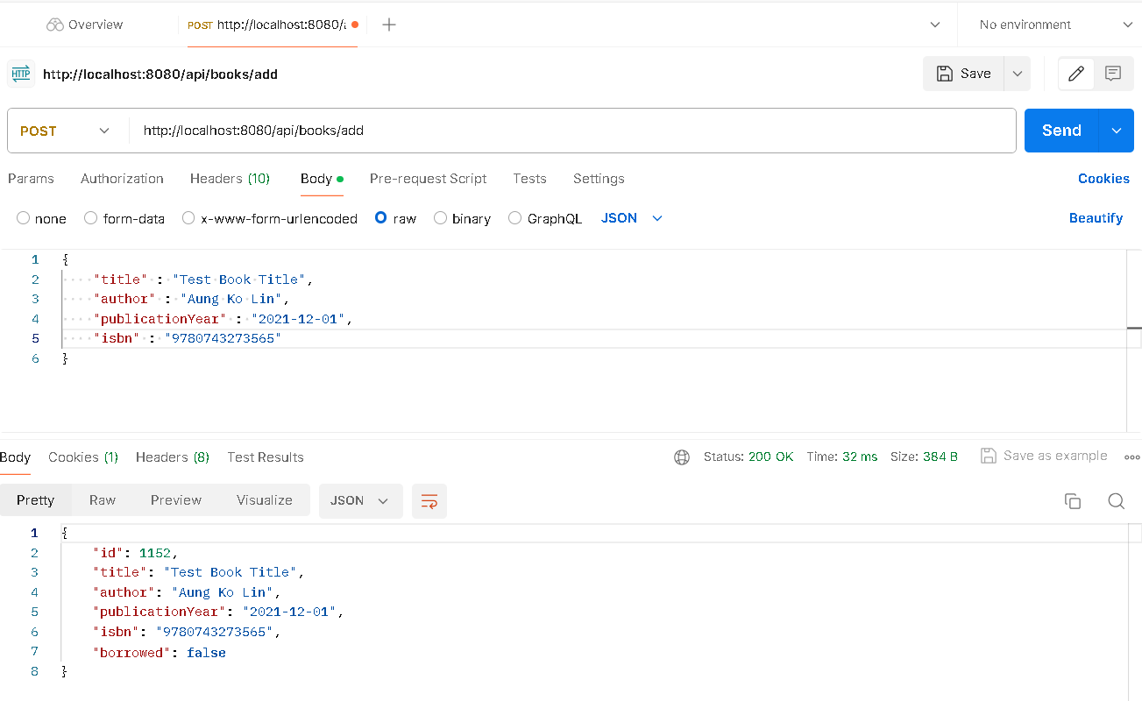

Select All Books

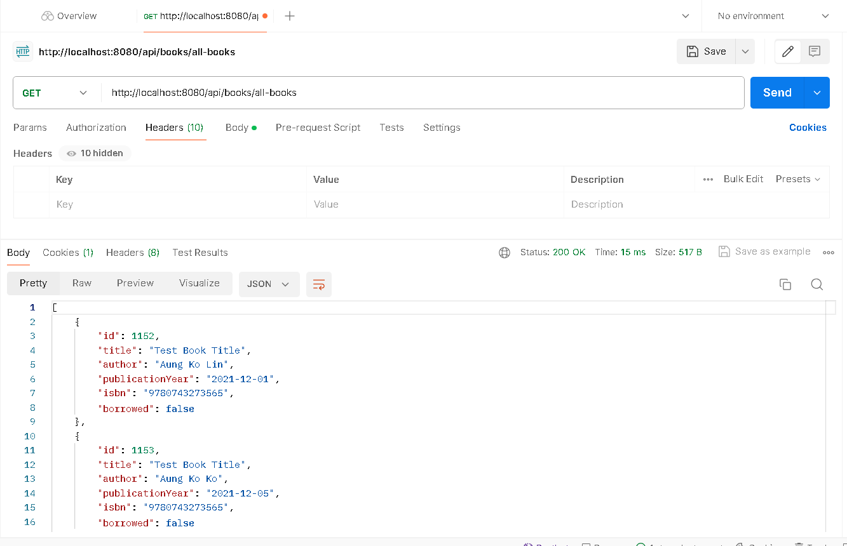

Update Book



Select Book By Id

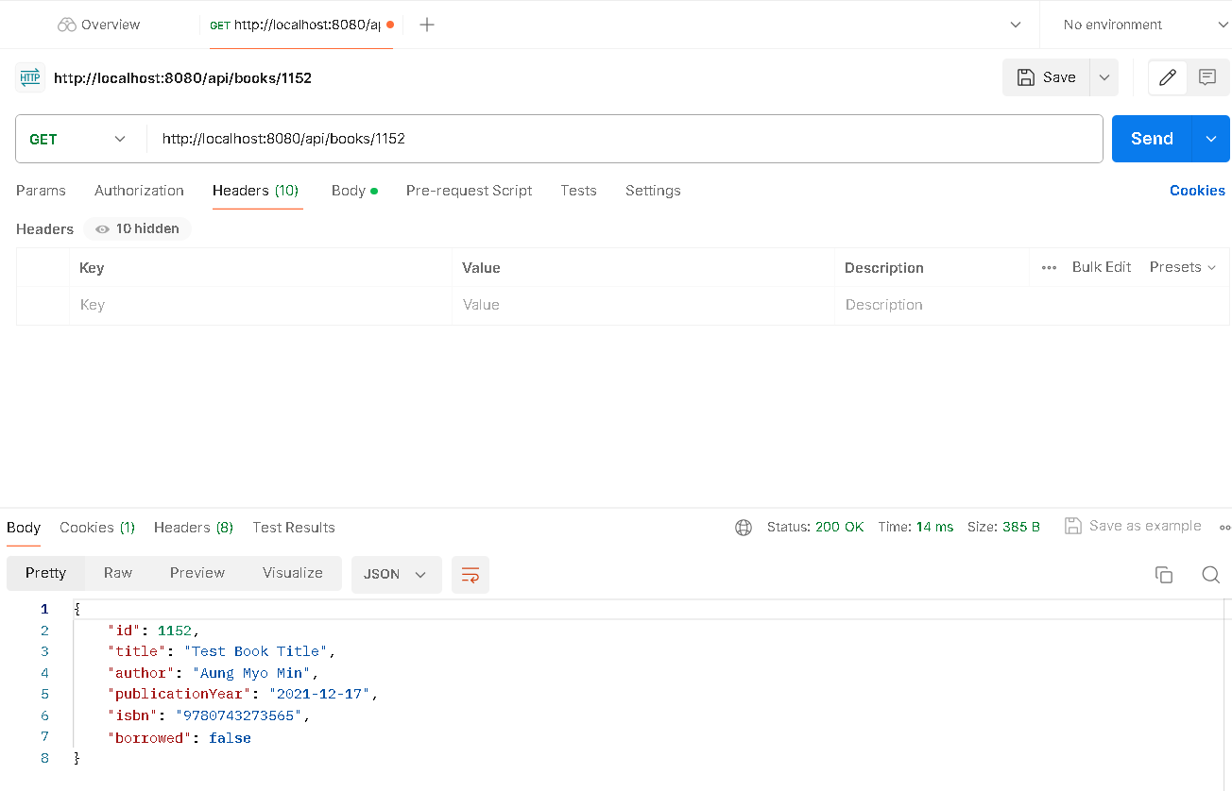

Delete Book By Id

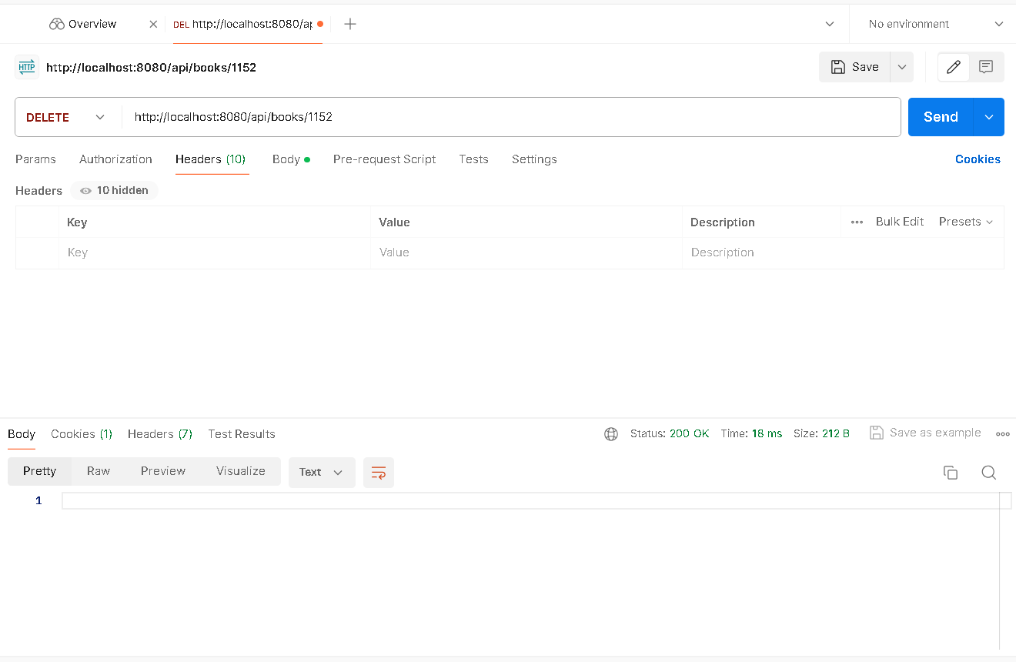

Borrow Book



Return Book

jUnit
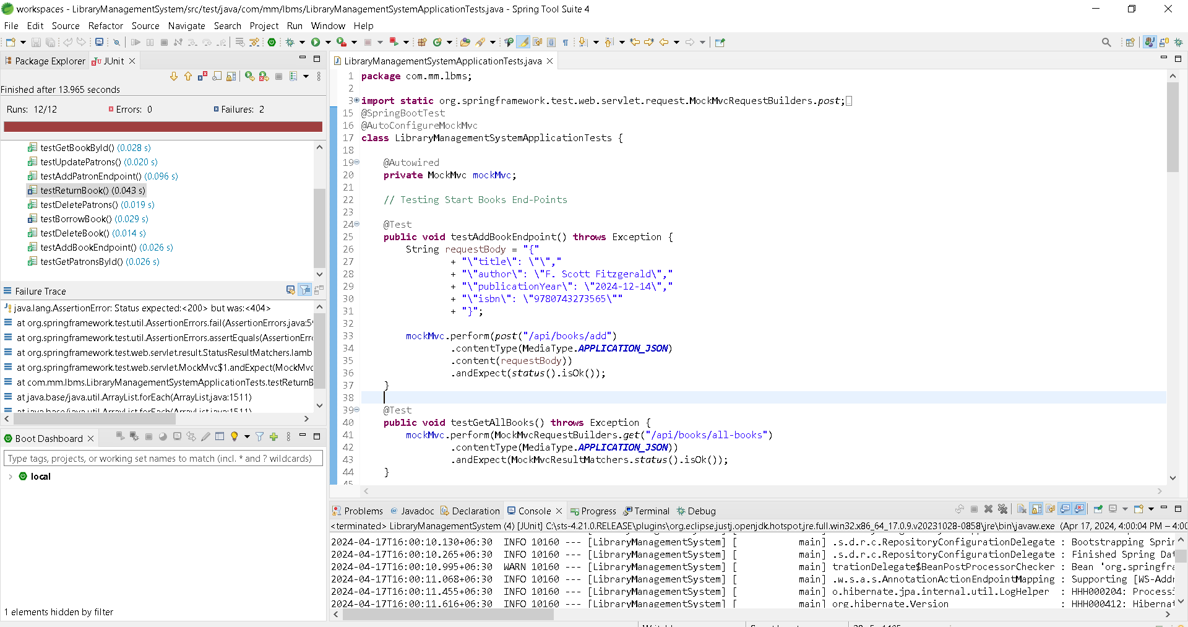
Test End Points

